Data
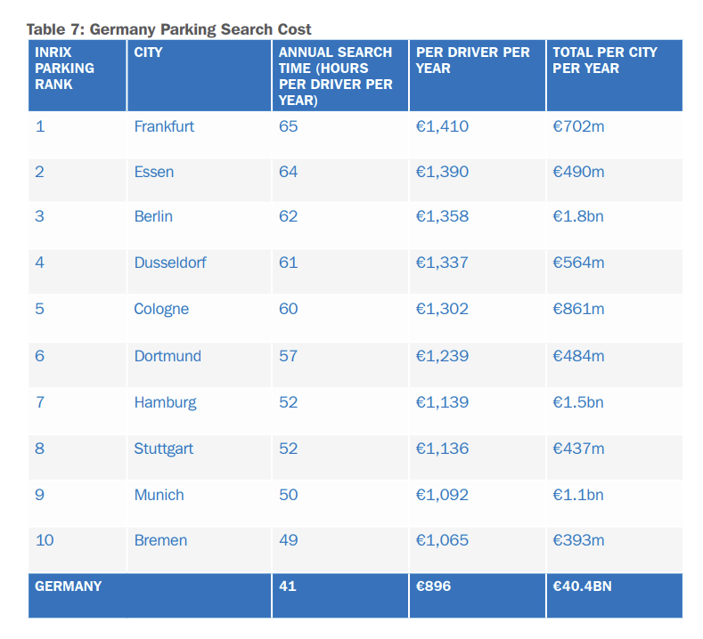
 | Cost (2017 Euro/yr) | Time Spent (hr/yr) | Cost to Time Ratio
Frankfurt | 1410 | 65 | 21.7
Essen | 1390 | 64 | 21.7
Berlin | 1358 | 62 | 21.9
Dusseldorf | 1337 | 61 | 21.9
Cologne | 1302 | 60 | 21.7
Dortmund | 1239 | 57 | 21.7
Hamburg | 1139 | 52 | 21.9
Stuttgart | 1136 | 52 | 21.8
Munich | 1092 | 50 | 21.8
Bremen | 1065 | 49 | 21.7
Germany Average | 894 | 41

